HVAC
Cooling Cost Comparison
 |  |  | AOS | OSF
Number of Years |  |  | 20 | 20
Capital cost |  |  | 163637 | 158637 | Note 1
Maintenance Cost |  |  | 44056 | 44056 |  |  | operating plus maintenance:
Operating Costs |  |  | 1145456 | 2202801 |  |  | $1,189,512 | 2246857
Total 20-year cost |  |  | 1353149 | 2405493
Cost savings over 20 years: |  |  | $1,052,344 | -$1,052,344
Conclusion: Cooling at AOS saves significant dollars due to operational savings due to use of ambient cooling

Background information:

Based on current weather
location | hPA | in mercury | ratios relative to sea level | ratios relative to AOS
AOS | 556 | 16.41 | 0.54940711462 | 1 |  | 1.8201438849
OSF | 722 | 21.32 | 0.71343873518 | 1.2985611511 |  | 1.4016620499
VA Beach | 1012 | 29.87 | 1 | 1.8201438849 |  | 1

based on graphs from wikipedia
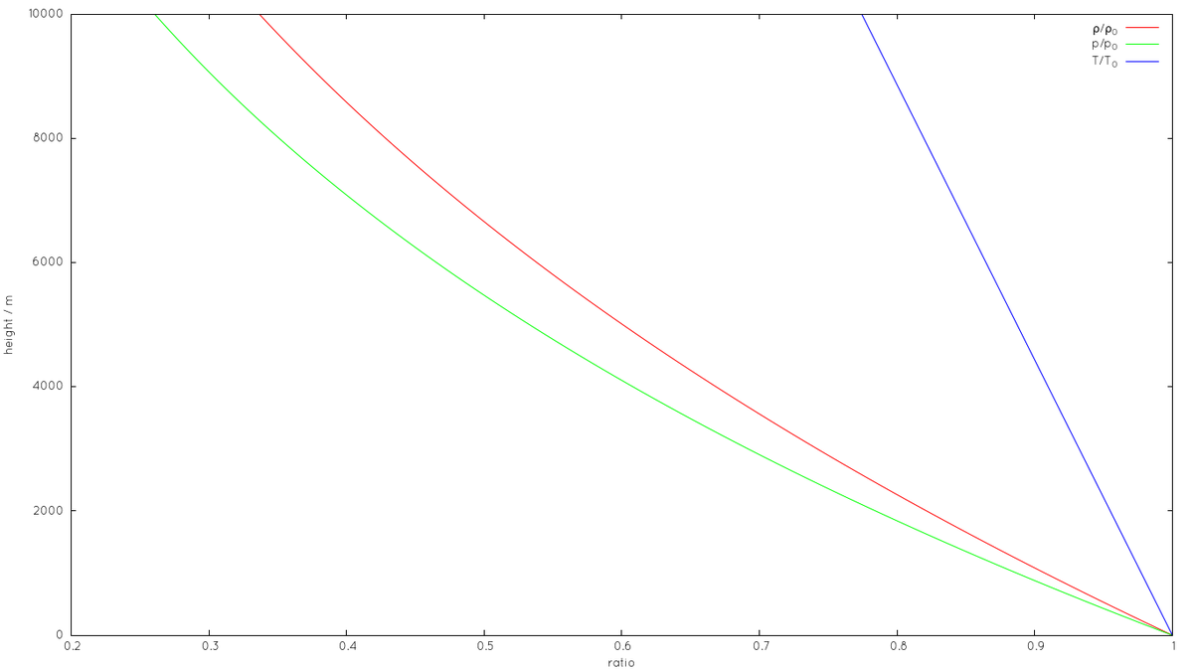

density ratio at 5000 meters = 0.6 + (2/44)0.1 = .605
density ratio at 3000 meters = 0.7 + (18/44)0.1 = .741
ratio of densities @ 3000 m and 5000 m = .741/0.605 = 1.225

pressure ratio at 5000 meters = 0.5 + (15/48)0.1 = .53
pressure ratio at 3000 meters = 0.6 + (43/48)0.1 = .690
ratio of pressures @ 3000 m and 5000 m = .690/0.530 = 1.30 (very close to above from pressure readings on 6/15/2016)

From [1]
 | Internal load | 170 | KW
 | Required Safety Factor | 1.20
 | Altitude | 5075 | m
 | Barometric Pressure | 58.9 | % of sea level
 | Desired Room Air Temperature | 20 | degrees C

 | Q = mfr Cp DT
 | = 1.085 cfm DT
 | where
 | Q = heat loss/gain (kw)
 | mfr = mass flow rate, kg/hr
 | D= supply air temperature minus return air temperature
 | cfm = cubic feet per minute
 | Q = 685,000 Btuh = 1.085 cfm (68 - 52)oF
 | At 5075m
 | cfm = 39,500/0.0589 = 67,000 cfm (31,620 l/s)
 | The intent is to use two air handlers, each capable of supplying 33,500 cfm (15,810 l/s)

From [2]
 | Use of an "economizer" saves money at AOS, not possible at OSF

 | At AOS: | "Option 2" | "Option 5" | "Option 6"
 | Capital cost | 83000 | 115000 | 91000
 | Annual Maintenance cost | 2000 | 2500 | 1500
 | Annual Operating cost | 88000 | 56000 | 39000

 | At OSF
 | Capital cost | 83000 | not doable | 91000
 | Annual Maintenance cost | 2000 |  | 1500
 | Annual Operating cost | 88000 |  | 75000

 | According to chiller manufacturers, any equipment derating for the chiller condenser fans are largely offset by the gain received from the lower ambient temperatures
 | In actuality, the lower site will require slightly less airflow and therefore the costs will be slightly less, possibly $1,000 to $2,000 per air handler.
 | Freight, taxes and import duties not included in above

 | cost per kw-hr | kw | hr | yearly cost
 | 0.1 | 170 | 8760 | 148920
 | 0.05 | 170 | 8760 | 74460 | M3 probably assumed $0.05 per kw-hr
 | 0.3 | 170 | 8760 | 446760 | real cost at 30 cents per kw-hr
 |  |  |  | 6 | operatingCostCorrectionFactor
 | inflation factor
 | per cent per year | 3
 | number of years | 13
 | inflation factor | 1.4685337135

 | freight, taxes, import, installation
 | AOS | 30000 |  |  | estimate based on correlator shipping and installation
 | OSF | 25000

[1] | Correlator Room AC Calculation.pdf, M3 Engineering Technology Corp., Oct 24, 2003 available on EDM at http://edm.alma.cl/forums/alma/dispatch.cgi/ipt20docs/docProfile/100301/
[2] | Correlator Room HVAC Study, STE-20.01.02.00-002-A-REP.pdf, on EDM at http://edm.alma.cl/forums/alma/dispatch.cgi/ipt20docs/docProfile/100073/

